code and graph
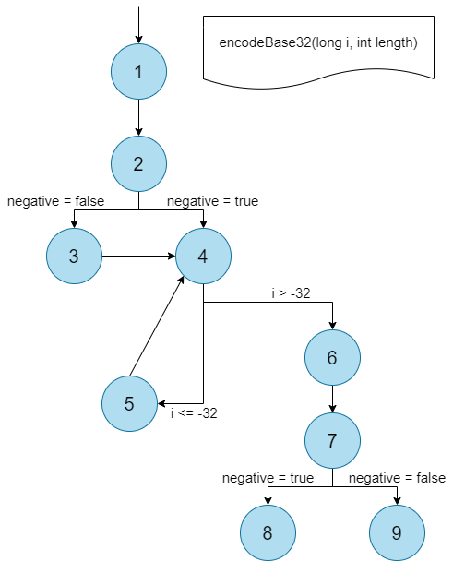
line | encodeBase32(long i, int length) | node
1 | char[] buf = new char[65]; int charPos = 64; boolean negative = (i < 0); if (!negative) i = -i; while (i <= -32) { buf[charPos--] = characters[(int) (-(i % 32))]; i /= 32; } buf[charPos] = characters[(int) (-i)]; String result = padLeftWithZerosToLength(new String(buf, charPos, (65 - charPos)), length); if (negative) return "-" + result; else return result; | 1
2
3
4 |  | 2
5 |  | 3
6 |  | 4
7 |  | 5
8
9
10 |  | 6
11

12 |  | 7
13 |  | 8
14
15 |  | 9

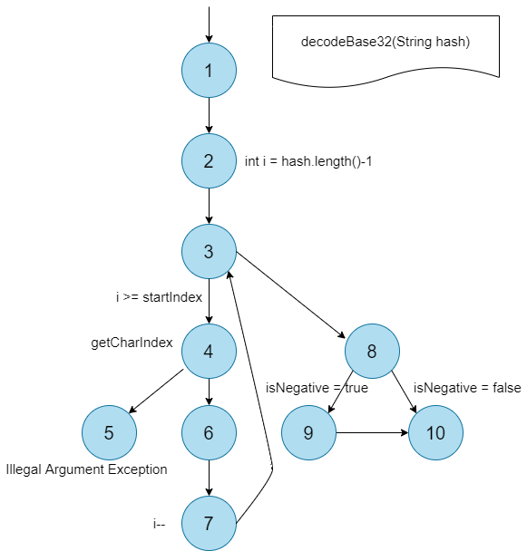
line | decodeBase32(String hash) | node
1 | boolean isNegative = hash.startsWith("-"); int startIndex = isNegative ? 1 : 0; long base = 1; long result = 0; for (int i = hash.length() - 1; i >= startIndex; i--) { int j = getCharIndex(hash.charAt(i)); result = result + base * j; base = base * 32; } if (isNegative) result *= -1; return result; | 1
2
3
4
5 |  | 2, 3, 7
6 |  | 4, 5
7 |  | 6
8
9
10 |  | 8
11 |  | 9
12 |  | 10

